Questions
 | Create different types of Pivot Table and Chart

Refer-Database 1 Sheet
1. Create a pivot chart in Chart 1 sheet as below mentioned format. Also insert a slicer on Product and timeline on Date. All Segment would be shown except Midmarket. Products would be A4 Sheet, Folder, Note Book, Pen and Pencil from Oct 2017 to Dec 2017.

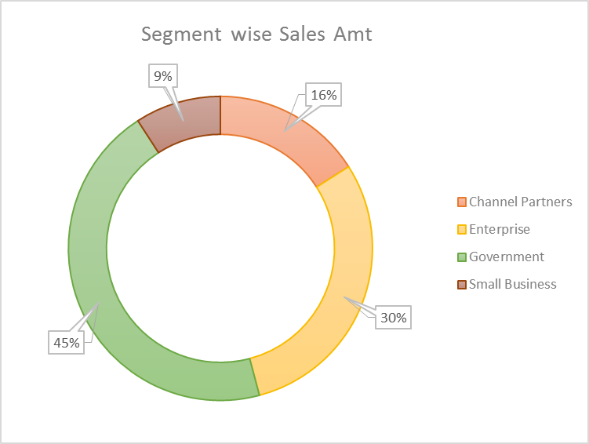
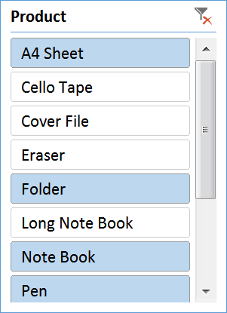
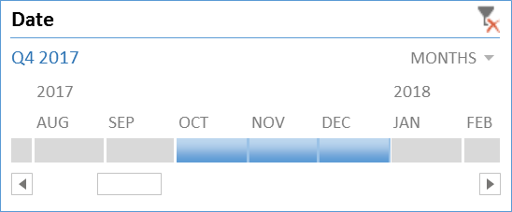

2. Create a pivot chart in Chart 2 sheet as below format and show all the data of Bangalore, Chennai and Delhi City.
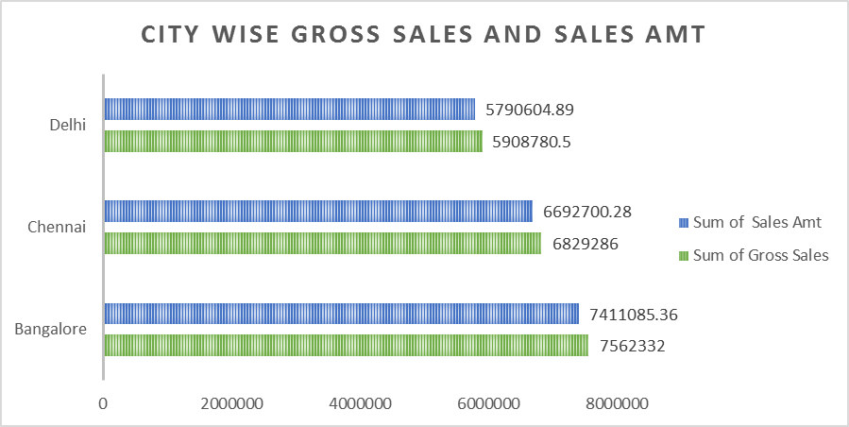

3. Create a pivot chart in Chart 3 sheet as below format. Also insert a slicer on Discount Band and show all the data of High and Medium for Folder, Long Note Book and Note Book Product.

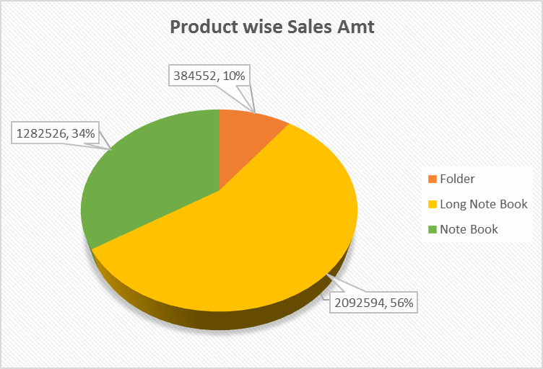
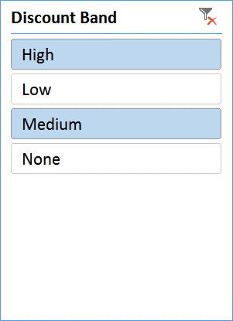

4. Create a pivot chart in Chart 4 sheet as below format. Show all the data of High, Medium and Low Discount Band. Products would be A4 Sheet, Long Note Book and Pen Stand.
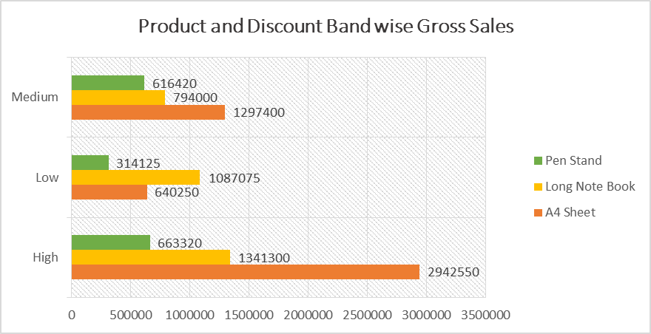

5. Create a pivot table in Table 1 sheet as below format.

